Paths into California
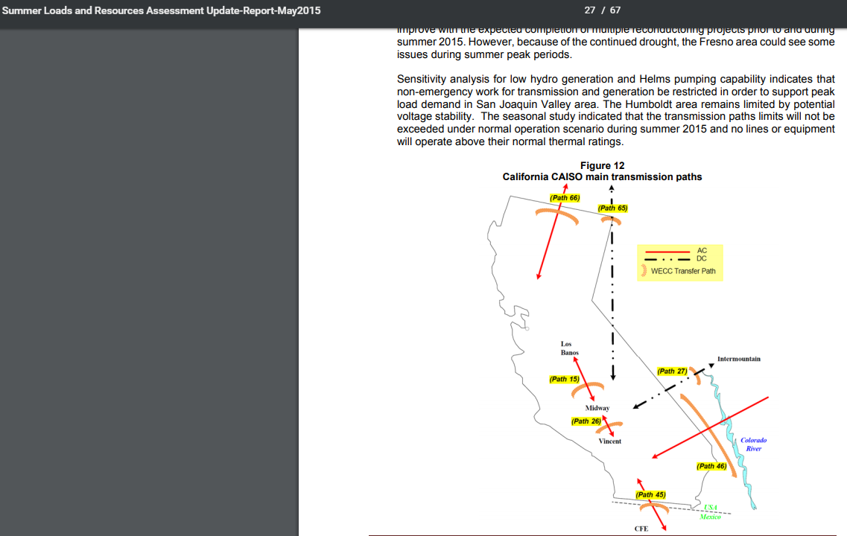

 | https://www.caiso.com/Documents/2015SummerAssessment.pdf

 | CAISO paths per resource above.
 |  | Path 66 | 4237.5
 |  | Path 65 | 3100
 |  | Path 27 | 1900
 |  | Path 46 | 5311.5
 |  | Path 45 | 600

 |  | sum | 15,149.0

Even though these are described as "CAISO" transmission paths, they are actually more all encompassing
For example, Path 27 most serves LA DWP.
"Path 27 is a +/- 500 kV DC bipole line that runs from the Intermountain station in central Utah to the Adelanto substation in southern California. T
he path is often refered to as IPPDC. Nearly 60 percent of the path’s capacity is allocated to LADWP. The remaining 40 percent is split between five southern California municipalities."

https://www.wecc.biz/Reliability/2011Plan_Path_WriteUps.pdf

https://www.wecc.biz/Reliability/TAS_PathReports_Combined_FINAL.pdf

Path 66
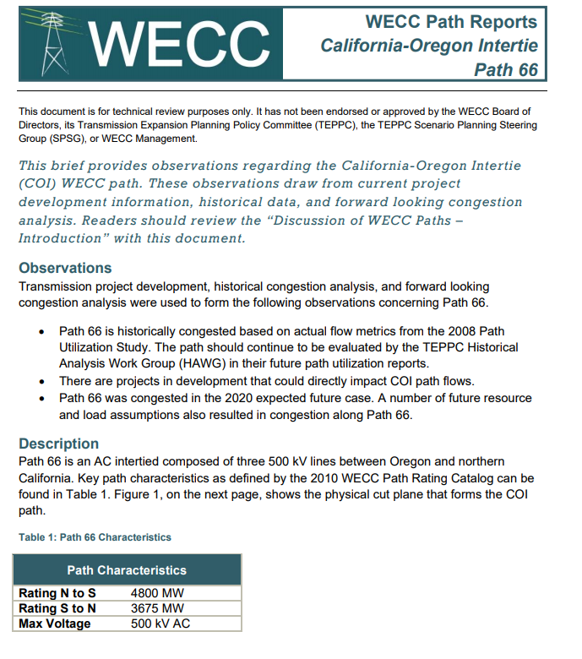

Path 66 | 4237.5

Path 65
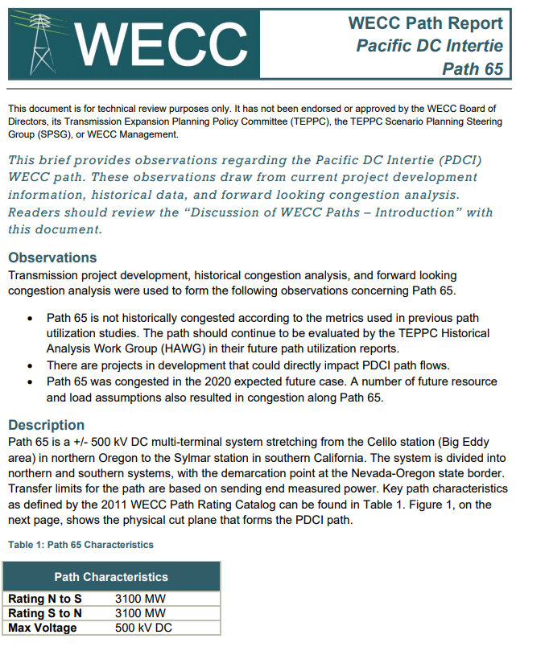
Path 65 | 3100

Path 27
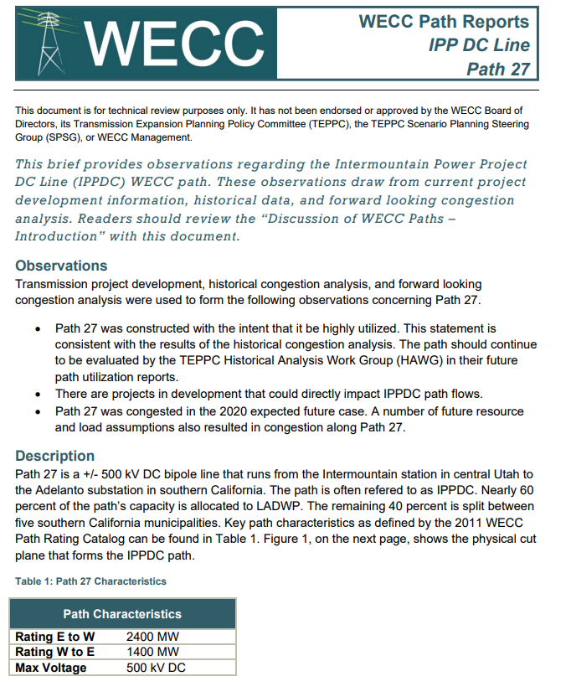

Path 27 | 1900

Path 46
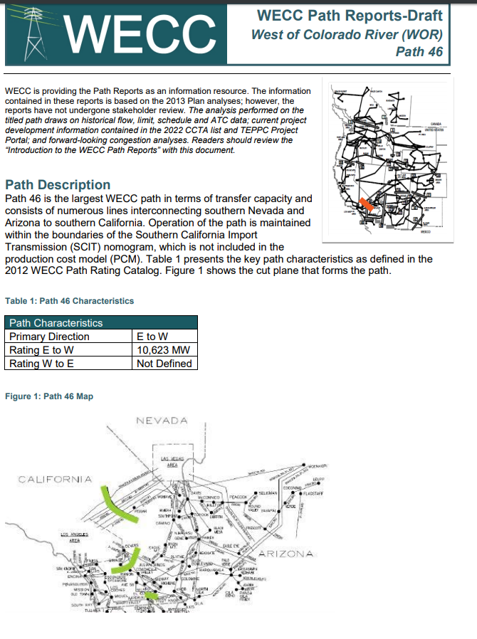

Debated whether to average this or take full value.

Decided half value would better represent functional effect on flexiblity.

5311.5

